Topical Question JO May 23
Topical Question: Which of the following, if any, are barriers to your organisation hiring people with prior criminal convictions?

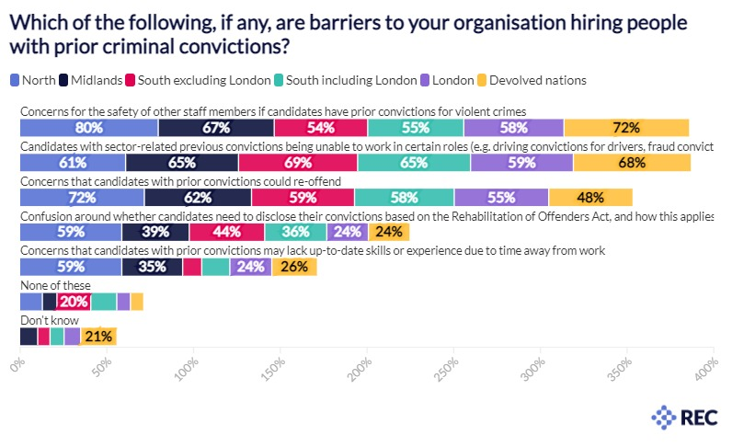
Response by Region

Barriers | North | Midlands | South excluding London | South including London | London | Devolved nation
Concerns for the safety of other staff members if candidates have prior convictions for violent crimes | 79.6% | 66.9% | 53.9% | 55.4% | 57.8% | 72.1%
Candidates with sector-related previous convictions being unable to work in certain roles (e.g. driving convictions for drivers, fraud convictions for finance roles) | 60.8% | 65.1% | 68.7% | 65.1% | 59.3% | 67.7%
Concerns that candidates with prior convictions could re-offend | 71.6% | 61.8% | 59.4% | 57.5% | 54.5% | 48.3%
Confusion around whether candidates need to disclose their convictions based on the Rehabilitation of Offenders Act, and how this applies to your organisation | 58.6% | 38.9% | 43.5% | 35.8% | 24.0% | 23.7%
Concerns that candidates with prior convictions may lack up-to-date skills or experience due to time away from work | 58.6% | 35.1% | 11.0% | 16.2% | 24.2% | 26.0%
None of these | 12.8% | 8.4% | 19.5% | 15.0% | 7.9% | 7.3%
Don't know | 0 | 10.1% | 7.1% | 8.1% | 9.6% | 20.6%

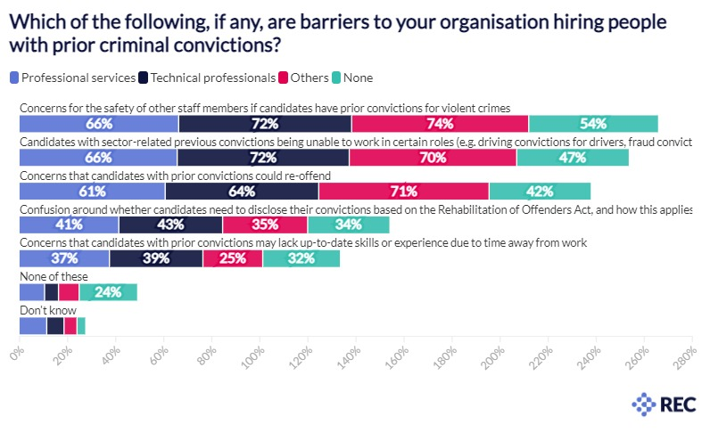
Response by Job Function

Barriers | Professional services | Technical professionals | Others | None
Concerns for the safety of other staff members if candidates have prior convictions for violent crimes | 66.2% | 72.0% | 73.7% | 53.8%
Candidates with sector-related previous convictions being unable to work in certain roles (e.g. driving convictions for drivers, fraud convictions for finance roles) | 65.6% | 71.6% | 69.7% | 46.6%
Concerns that candidates with prior convictions could re-offend | 60.6% | 63.9% | 70.9% | 42.3%
Confusion around whether candidates need to disclose their convictions based on the Rehabilitation of Offenders Act, and how this applies to your organisation | 41.3% | 43.2% | 35.4% | 34.0%
Concerns that candidates with prior convictions may lack up-to-date skills or experience due to time away from work | 37.4% | 38.9% | 24.9% | 32.1%
None of these | 10.4% | 5.8% | 8.6% | 24.1%
Don't know | 11.3% | 7.2% | 5.4% | 3.4%

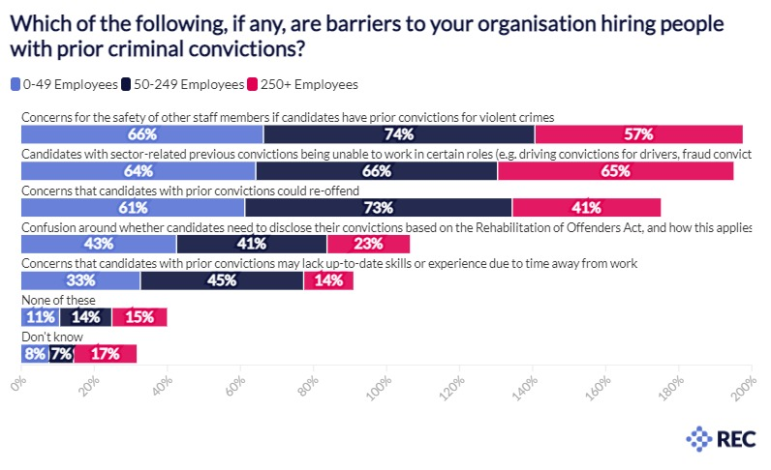
Response by Organisation Size

Barriers | 0-49 Employees | 50-249 Employees | 250+ Employees
Concerns for the safety of other staff members if candidates have prior convictions for violent crimes | 66.3% | 74.3% | 56.9%
Candidates with sector-related previous convictions being unable to work in certain roles (e.g. driving convictions for drivers, fraud convictions for finance roles) | 64.2% | 66.2% | 64.6%
Concerns that candidates with prior convictions could re-offend | 61.2% | 73.2% | 40.7%
Confusion around whether candidates need to disclose their convictions based on the Rehabilitation of Offenders Act, and how this applies to your organisation | 42.5% | 41.2% | 22.7%
Concerns that candidates with prior convictions may lack up-to-date skills or experience due to time away from work | 32.6% | 44.7% | 13.6%
None of these | 10.5% | 14.3% | 15.1%
Don't know | 7.6% | 6.7% | 17.3%

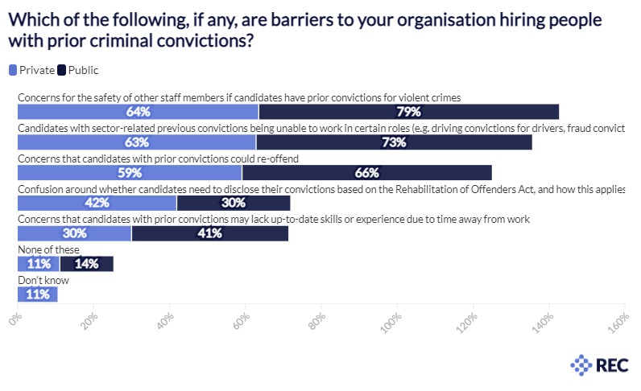
Response by Sector

Barriers | Private | Public
Concerns for the safety of other staff members if candidates have prior convictions for violent crimes | 63.5% | 79.1%
Candidates with sector-related previous convictions being unable to work in certain roles (e.g. driving convictions for drivers, fraud convictions for finance roles) | 62.8% | 72.7%
Concerns that candidates with prior convictions could re-offend | 59.1% | 65.8%
Confusion around whether candidates need to disclose their convictions based on the Rehabilitation of Offenders Act, and how this applies to your organisation | 41.9% | 29.9%
Concerns that candidates with prior convictions may lack up-to-date skills or experience due to time away from work | 30.0% | 41.3%
None of these | 11.1% | 14.1%
Don't know | 10.5% | 0

